Sheet1
Australia
Job Sector | Specific Role | Percentage increase | Link | Insight | Timeline
Hospitality & Tourism |  | 185% | https://www.dailymail.co.uk/news/article-8375125/COVID-19-coronavirus-Australia-jobs-demand-include-nurses-labourers-electricians.html | There were 39.7 per cent more jobs being advertised on Seek from April to May | April - May 2020 | 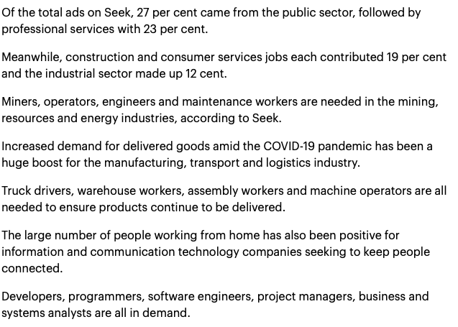
Sales | Sales Rep, Managers | 141%
Administration | Admin, office support | 121%
Education | Teachers, Teaching assistants | 104% |  | With schools reopening, teachers, teaching assistants and education consultants are still needed as ads for education and training job leaped by 104 per cent
 |  |  |  | The federal government is set to announce a multi-billion dollar stimulus package for home renovations to help the construction industry recover. |  | 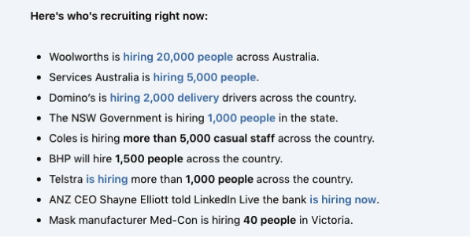
Workers | Labourers, electricians, machinists, automotive workers, cleaners | 67% |  | As a result, labourers, electricians, fitters, turners, machinists and automotive workers are in high demand with the job ads increasing by 67 per cent. |  | 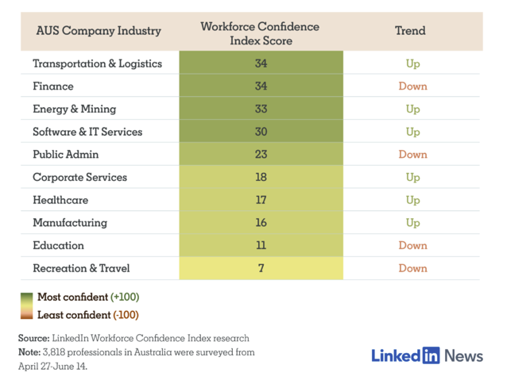
Essential Workers in heathcare and medical insudtry |  | 23%
Construction and consumer services |  | 12%

